0. Task
Aircraft Range
We need to fill the following table of 45 Aircraft regarding the Maximal Take Off Weight (MTOW), the Maximal Zero Fuel Weight (MZFW) and the Range for two points in the payload-range diagram. The payload-range diagram can be found in the Aircraft Characteristics for Airport Planning Manuals. To find and complete this datatable an estimated workload of 5-7 hours is considered.
Please use in all cases kg for all weights and km for all ranges!
Aircraft Characteristics for Airport Planning:
Airbus
Boeing
For the Embraer, Canadair and Lockheed Aircraft these documents can be found via Google.

Example 1 Airbus
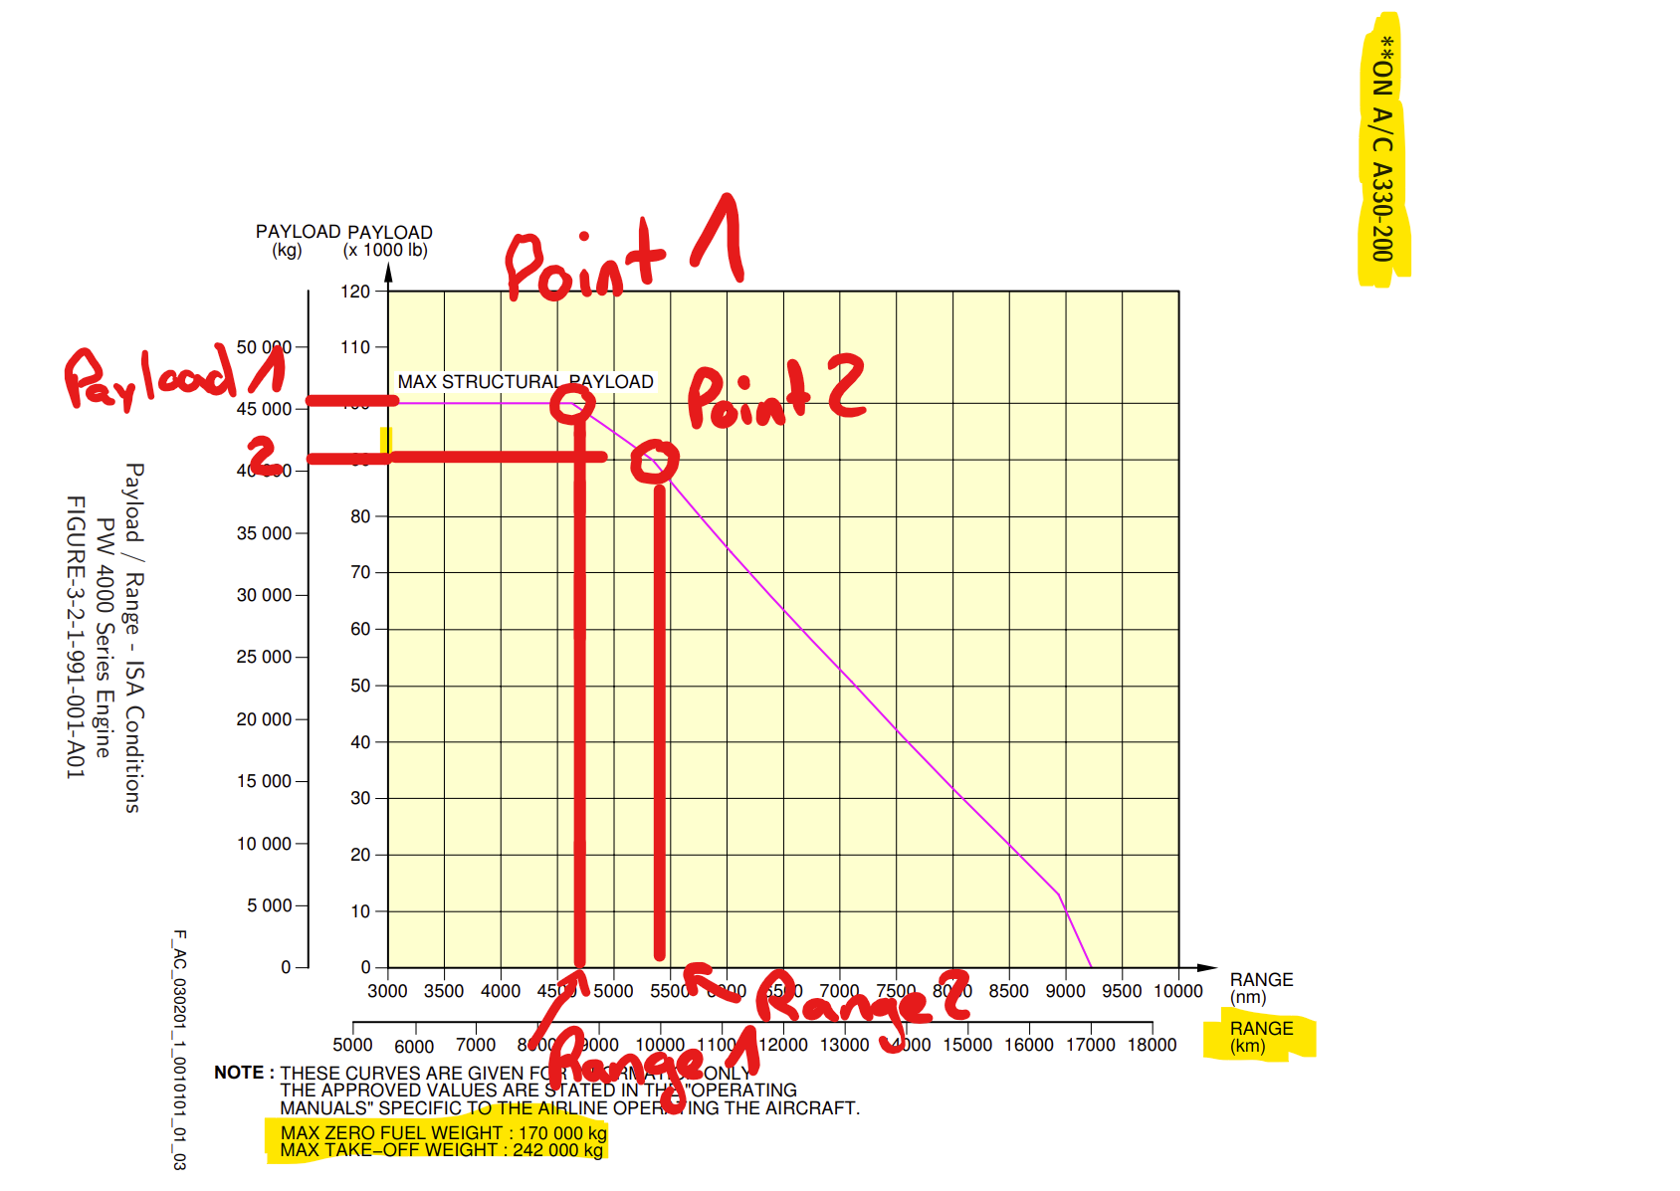
As it can be seen in the picture above, the MTOW for Airbus is stated below the graph and accounts for all points on the pink line. The two points marked are both bending points of this line. From this point, vertically the Range can be found for this point and horizontally the payload. To be consistend please always use kg for all weights and km for all ranges. In this example, the MZFW is listed below with 170000kg which accounts for max structural payload. For Point 2, the reduction of payload, here approximately 4000 kg has to be subtracted for the MZFW of Point B.

Example 2 Boeing
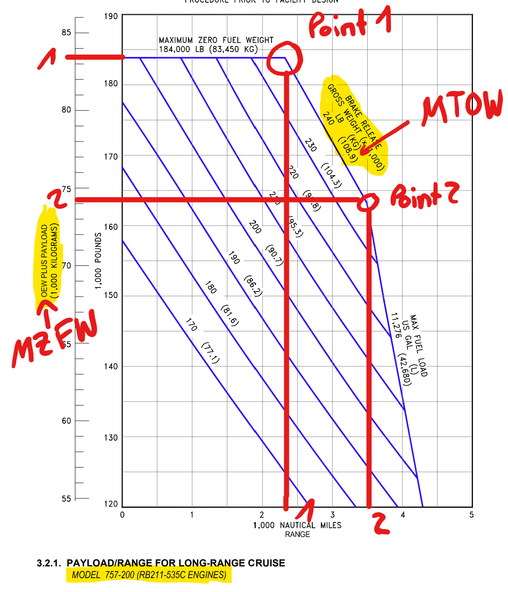
For Boeing Aircraft it is slightly different, as the OEW plus the PAYLOAD is given on the y-Axis, which is already the MZFW. the MTOW is again given by the violet lines. In the case of multiple lines with different MTOW please take the maximal value. Here, the range is given in nautical miles which have to be converted to km. For most Boeing Aircraft Types, Payload/Range Diagrams are given for each different engine (here RB211-535C). Mostly these different Payload/Range Diagrams are quite similar.

01 - B757-200
DATA EXTRACTION
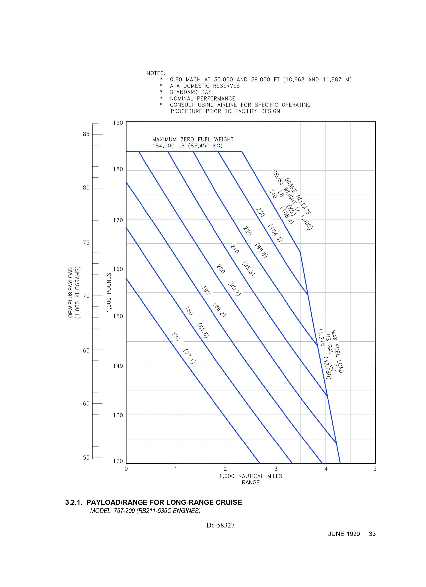

MTOW
 |  | 240000 | Lbs

RANGE_POINT_1
red | 1.14 | 500
green | 0.71 | 311.40350877

 | 2000 | 2311.4035088 | Nm

RANGE_POINT_2
red | 1 | 1000
green | 0 | 0

 | 3500 | 3500 | Nm

MZFW_POINT_1
red | 1 | 10000
green | 0 | 0

 | 184000 | 184000 | Lbs

MZFW_POINT_2
red | 1.14 | 5000
green | 0.75 | 3289.4736842

 | 160000 | 163289.47368 | Lbs

02 - B767-300
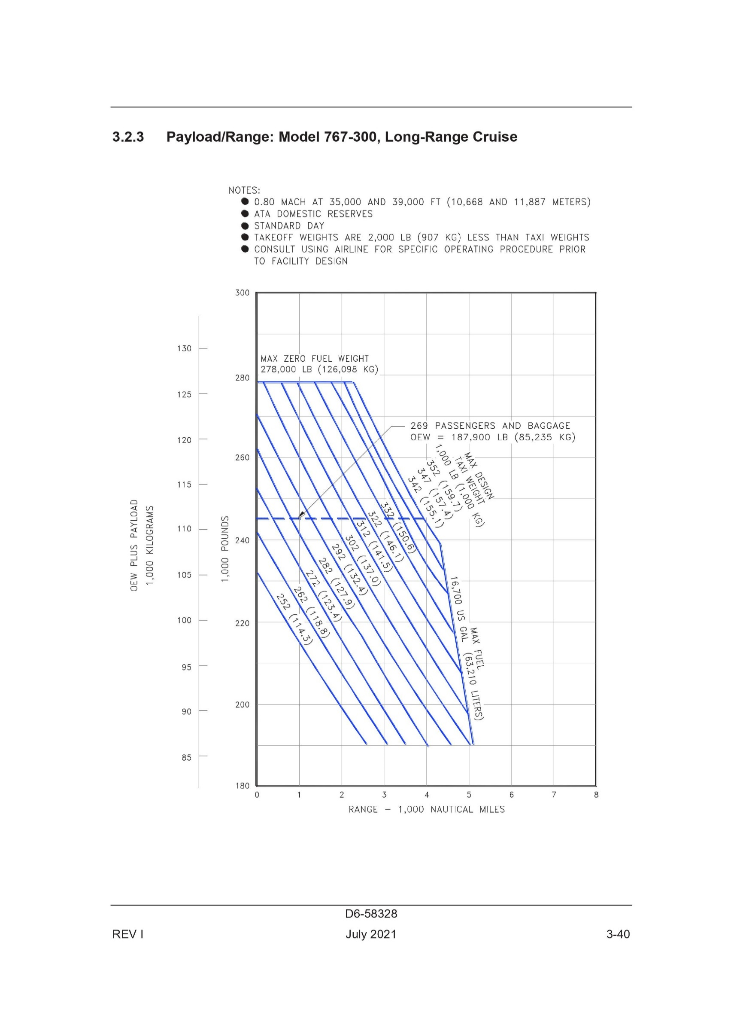
DATA EXTRACTION

MTOW
 |  | 350000 | Lbs

RANGE_POINT_1
red | 1.14 | 1000
green | 0.32 | 280.70175439

 | 2000 | 2280.7017544 | Nm

RANGE_POINT_2
red | 1.14 | 1000
green | 0.38 | 333.33333333

 | 4000 | 4333.3333333 | Nm

MZFW_POINT_1
red | 1 | 10000
green | 0 | 0

 | 278000 | 278000 | Lbs

MZFW_POINT_2
red | 1.13 | 10000
green | 1.05 | 9292.0353982

 | 230000 | 239292.0354 | Lbs

03 - B777-300
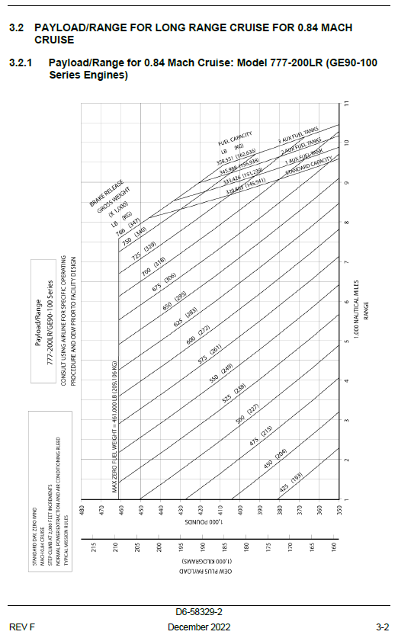
DATA EXTRACTION

MTOW
 |  | 766000 | Lbs

RANGE_POINT_1
red | 0.67 | 500
green | 0.13 | 97.014925373
 |  |  |  |  | .
 | 7500 | 7597.0149254 | Nm

 |  |  |  | red | 0.67 | 500
 |  |  |  | green | 0.13 | 97.014925373
RANGE_POINT_2
red | 0.67 | 500 |  |  | 7500 | 7597.0149254
green | 0.15 | 111.94029851

 | 8000 | 8111.9402985 | Nm

 |  |  |  | red | 0.67 | 500
 |  |  |  | green | 0.15 | 111.94029851

 |  |  |  |  | 8000 | 8111.9402985
MZFW_POINT_1
red | 1 | 10000
green | 0 | 0 |  | red | 0.67 | 10000
 |  |  |  | green | 0.36 | 5373.1343284
 | 461000 | 461000 | Lbs
 |  |  |  |  | 440000 | 445373.13433

MZFW_POINT_2
red | 0.67 | 10000
green | 0.36 | 5373.1343284

 | 440000 | 445373.13433 | Lbs

05 - B767-200
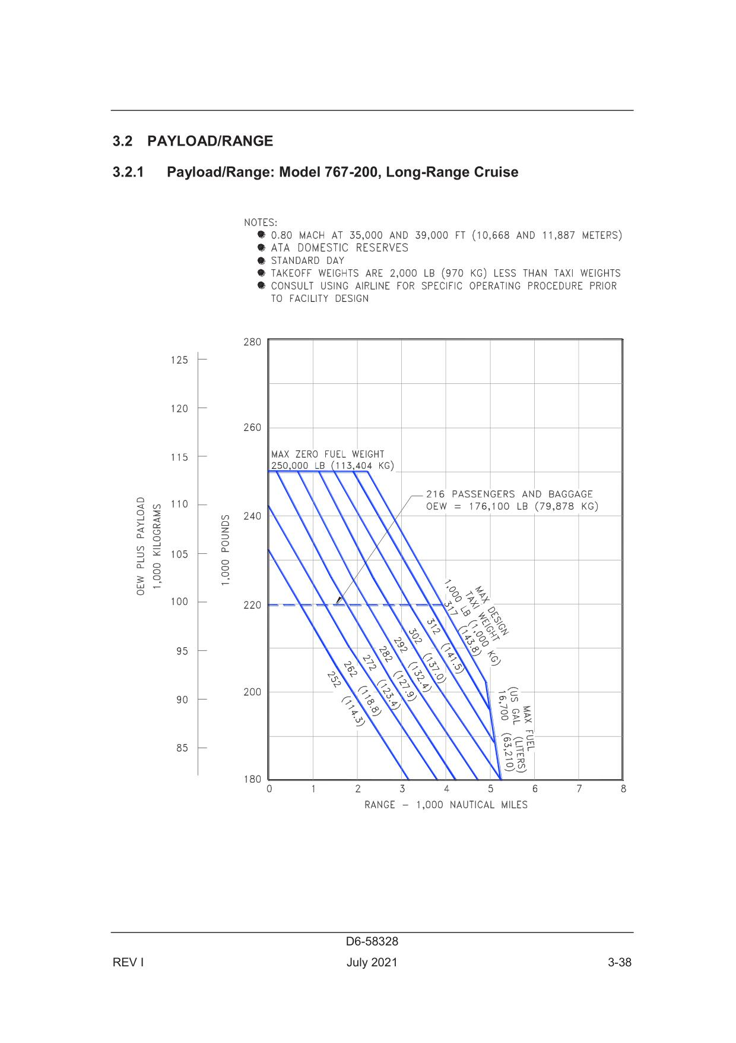
DATA EXTRACTION

MTOW
 |  | 315000 | Lbs

RANGE_POINT_1
red | 1.16 | 1000
green | 0.28 | 241.37931034

 | 2000 | 2241.3793103 | Nm

RANGE_POINT_2
red | 1.16 | 1000
green | 0.93 | 801.72413793

 | 4000 | 4801.7241379 | Nm

MZFW_POINT_1
red | 1 | 10000
green | 0 | 0

 | 250000 | 250000 | Lbs

MZFW_POINT_2
red | 1.18 | 10000
green | 0.3 | 2542.3728814

 | 200000 | 202542.37288 | Lbs

06 - B737-800
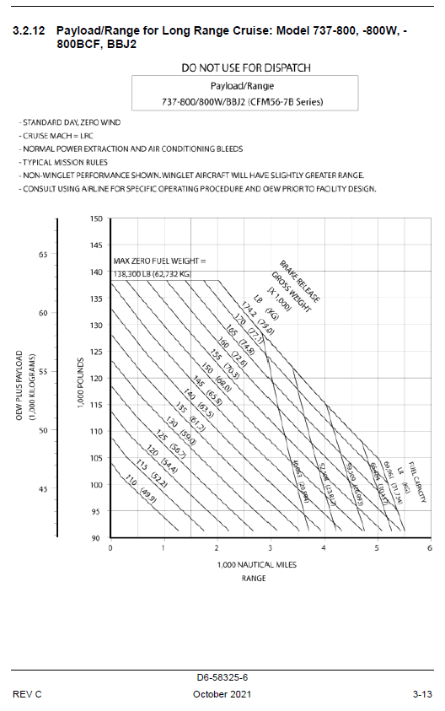
DATA EXTRACTION

MTOW
 |  | 174200 | Lbs

RANGE_POINT_1
red | 1 | 500
green | 0 | 0

 | 2000 | 2000 | Nm

RANGE_POINT_2
red | 0.84 | 500
green | 0.08 | 47.619047619

 | 5000 | 5047.6190476 | Nm

MZFW_POINT_1
red | 1 | 5000
green | 0 | 0

 | 138300 | 138300 | Lbs

MZFW_POINT_2
red | 1 | 5000
green | 0 | 0

 | 105000 | 105000 | Lbs

08 - B737-300
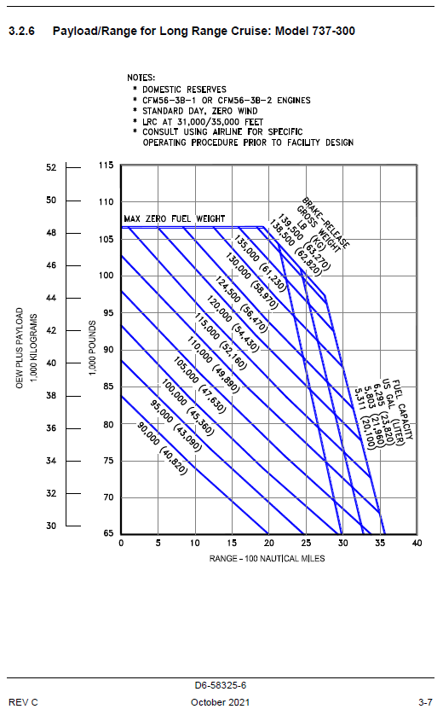
DATA EXTRACTION

MTOW
 |  | 139500 | Lbs

RANGE_POINT_1
red | 1.16 | 500
green | 0.98 | 422.4137931

 | 1500 | 1922.4137931 | Nm

RANGE_POINT_2
red | 1.14 | 500
green | 0.59 | 258.77192982

 | 2500 | 2758.7719298 | Nm

MZFW_POINT_1
red | 1.14 | 5000
green | 0.55 | 2412.2807018

 | 105000 | 107412.2807 | Lbs

MZFW_POINT_2
red | 1.16 | 5000
green | 0.41 | 1767.2413793

 | 95000 | 96767.241379 | Lbs

10 - B747-400
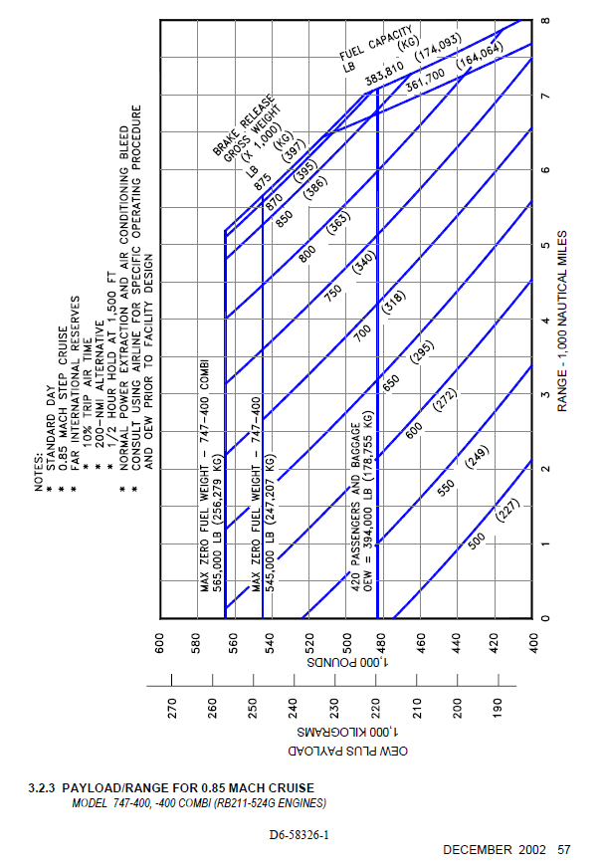

11 - B737-700
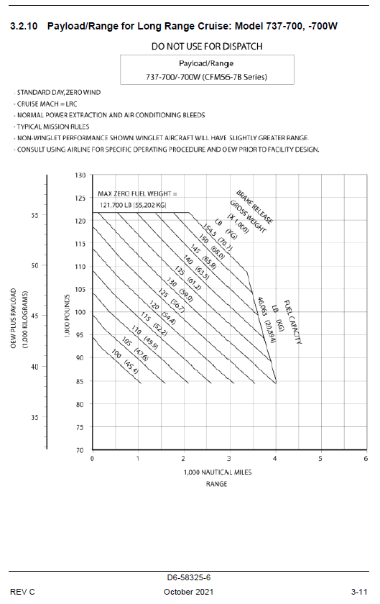

12 - B727-200
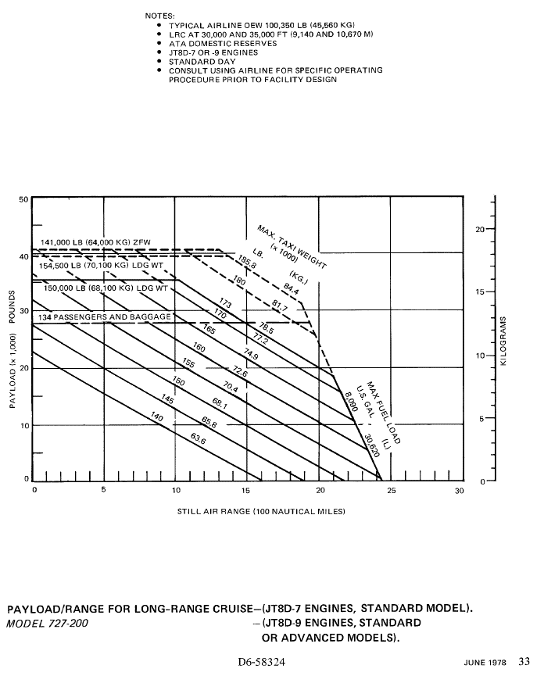

14 - B767-400
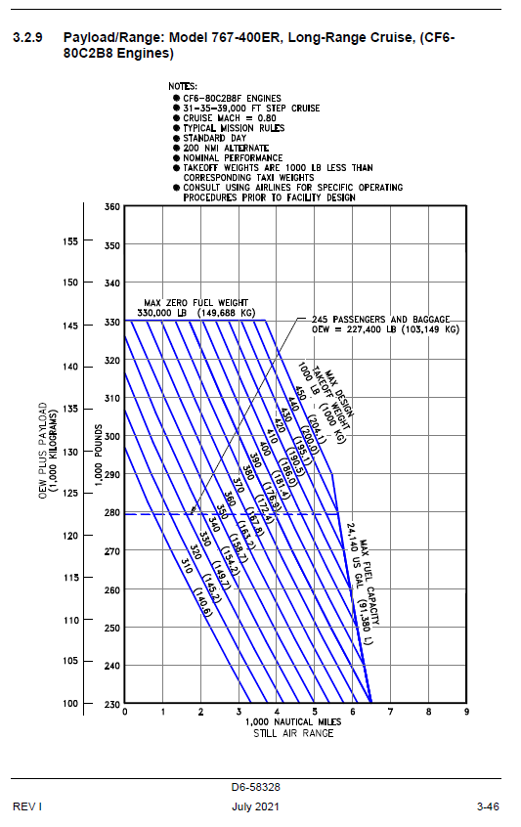
DATA EXTRACTION

MTOW
 |  | 450000 | Lbs

RANGE_POINT_1
red | 0.98 | 1000
green | 0.68 | 693.87755102

 | 3000 | 3693.877551 | Nm

RANGE_POINT_2
red | 1 | 1000
green | 0.5 | 500

 | 5000 | 5500 | Nm

MZFW_POINT_1
red | 1 | 5000
green | 0 | 0

 | 330000 | 330000 | Lbs

MZFW_POINT_2
red | 1 | 10000
green | 0 | 0

 | 290000 | 290000 | Lbs

17 - B737-400
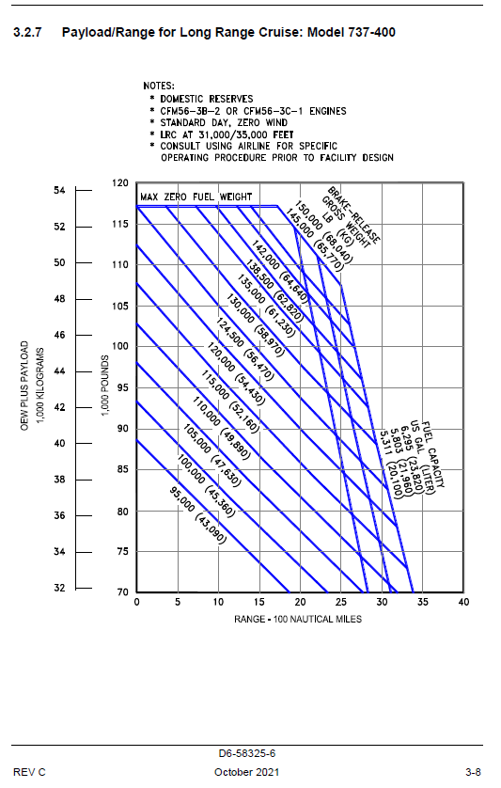

18 - B737-100
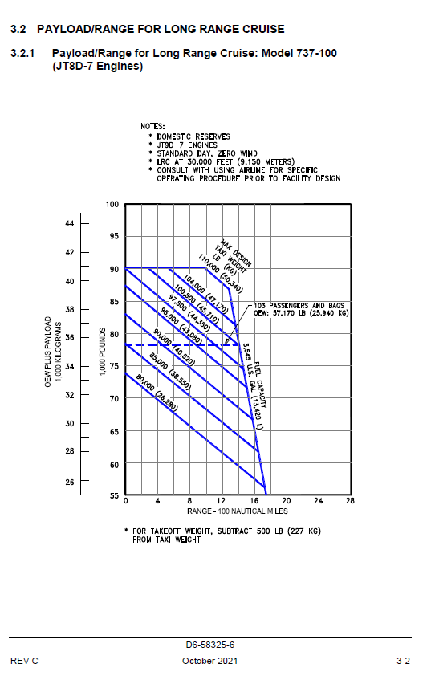

19 - B737-500
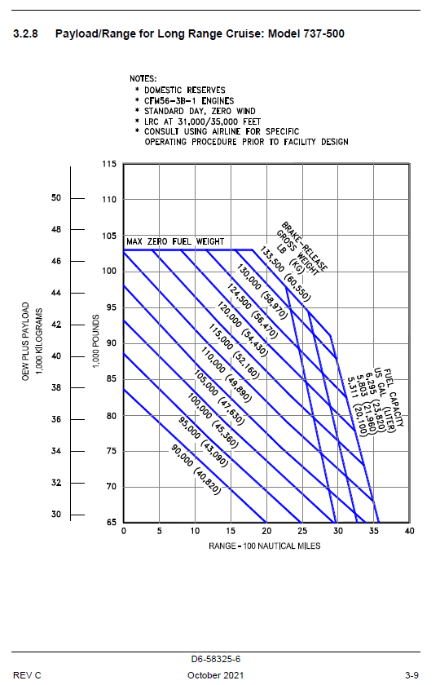

20 - B747-200
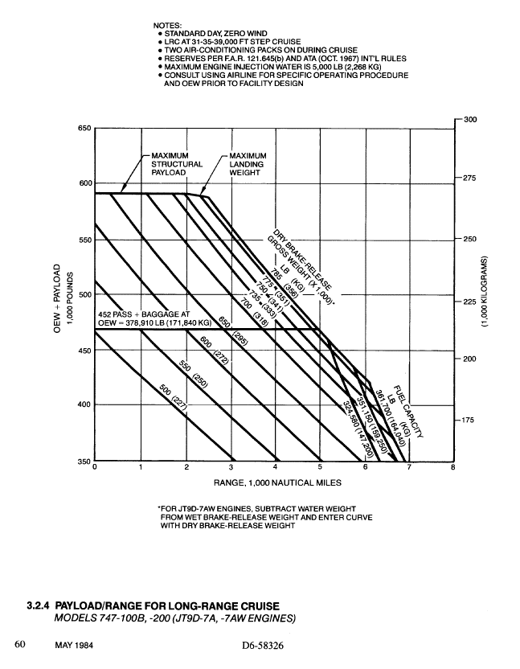

22 - B757-300
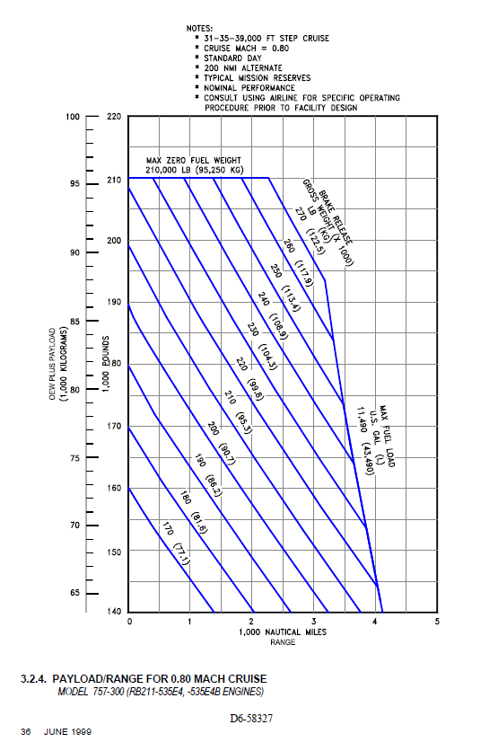

23 - B737-900
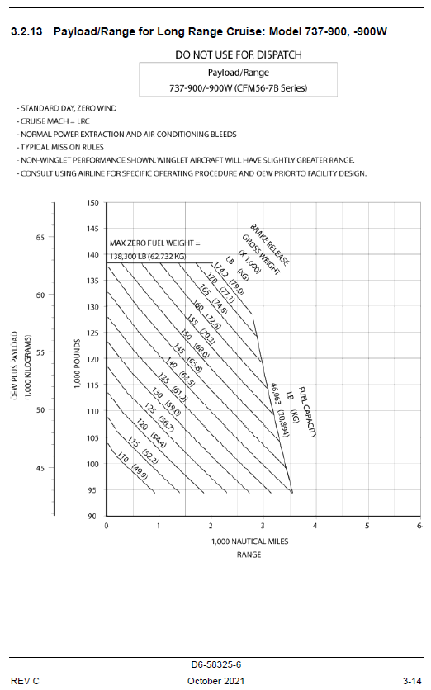

24 - B747-100
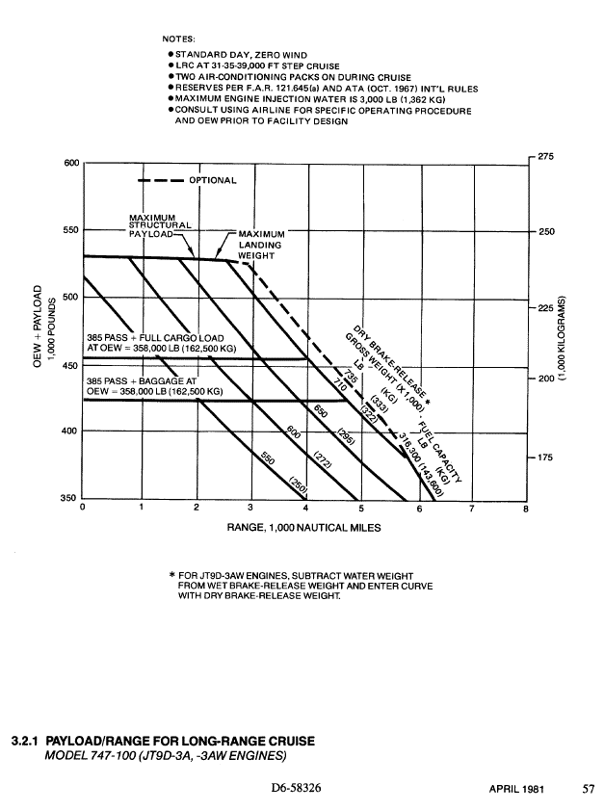

26 - B787-8
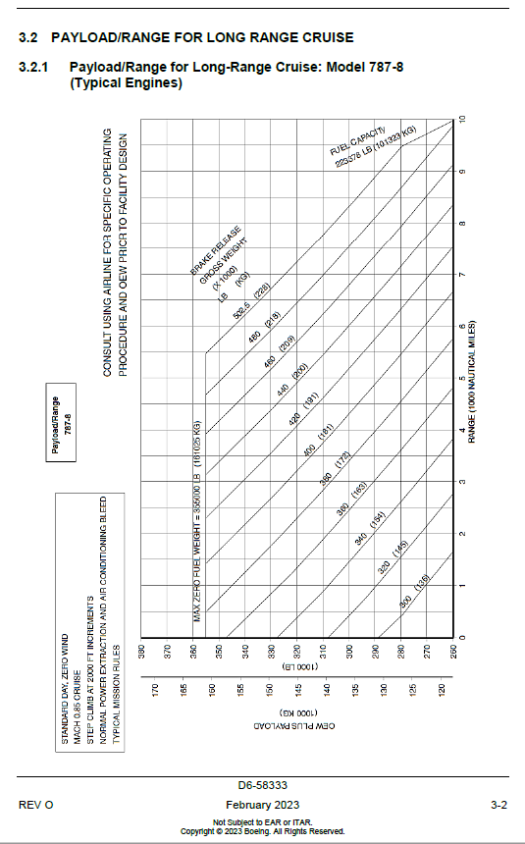

30 - B777-300
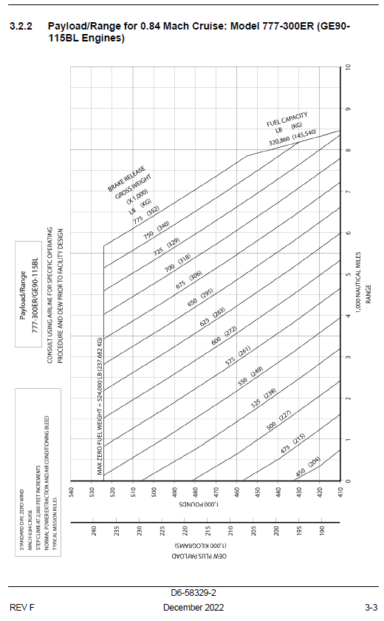
DATA EXTRACTION

MTOW
 |  | 775000 | Lbs

RANGE_POINT_1
red | 0.74 | 500
green | 0.26 | 175.67567568

 | 5500 | 5675.6756757 | Nm

RANGE_POINT_2
red | 0.74 | 500
green | 0.54 | 364.86486486

 | 7500 | 7864.8648649 | Nm

MZFW_POINT_1
red | 1 | 5000
green | 0 | 0

 | 524000 | 524000 | Lbs

MZFW_POINT_2
red | 0.75 | 10000
green | 0.37 | 4933.3333333

 | 450000 | 454933.33333 | Lbs

32 - B787-9
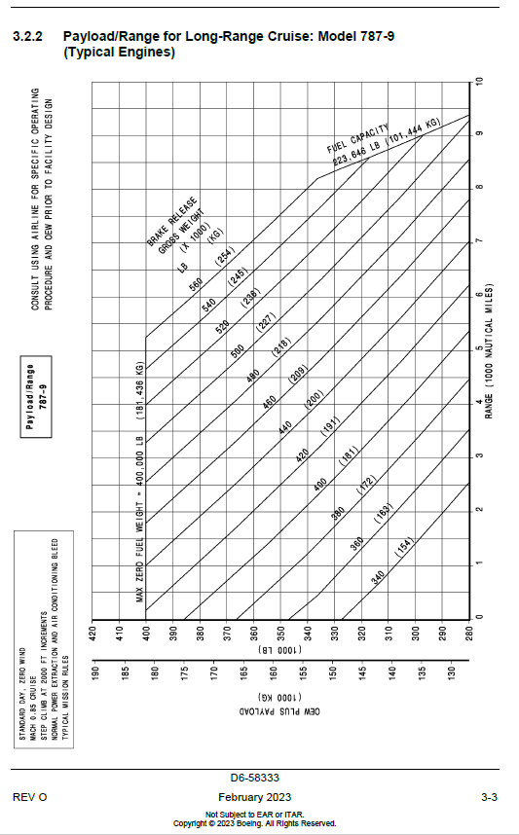

36 - B737-900ER
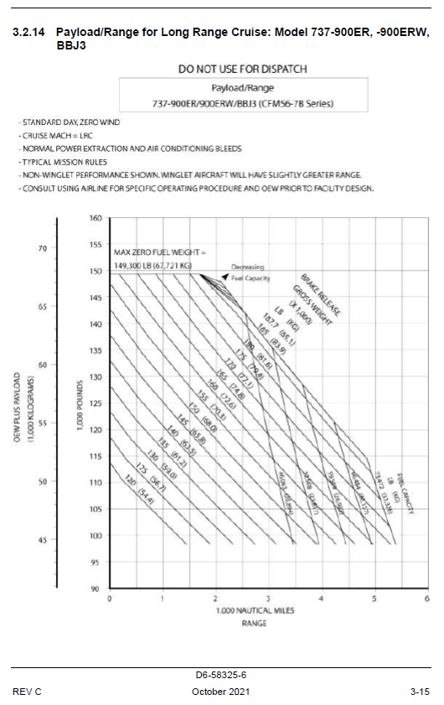

40 - B717-200
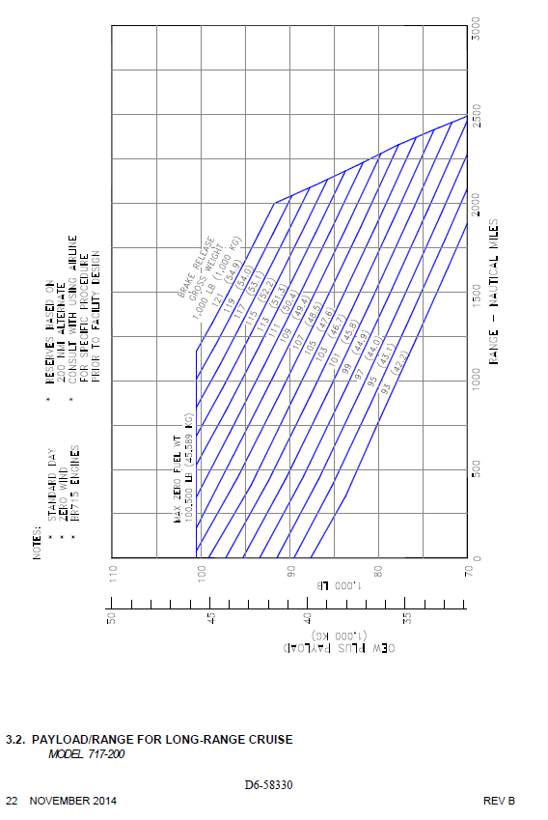

42 - B737-8 MAX 8
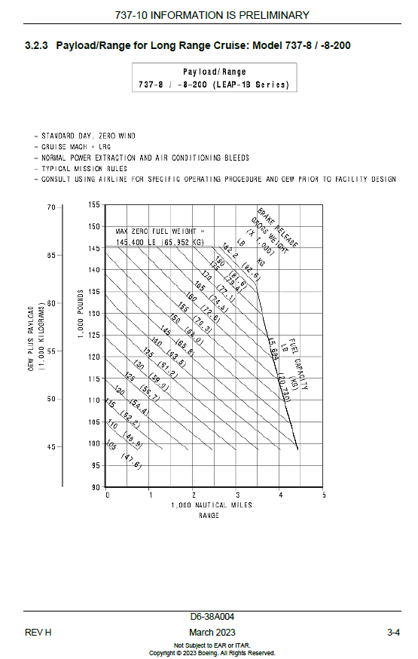

43 - B787-10
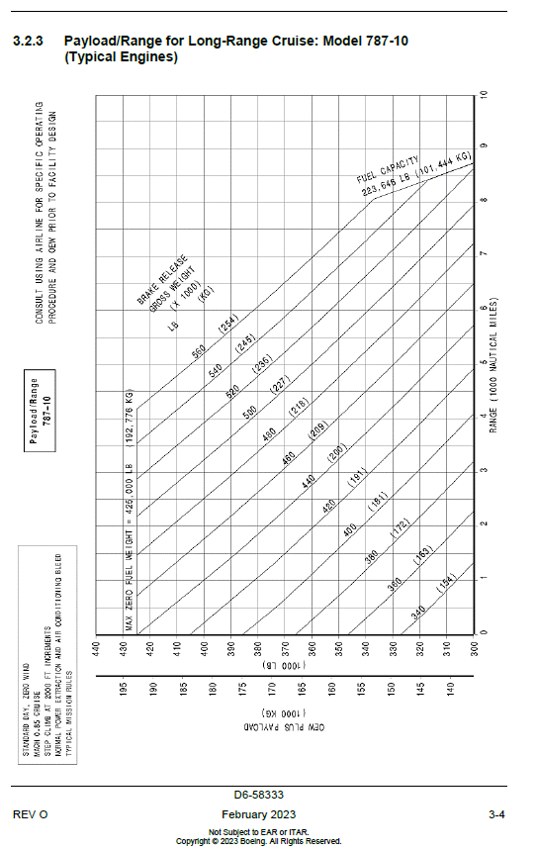

45 - B737-9 MAX 9
